conceptual model
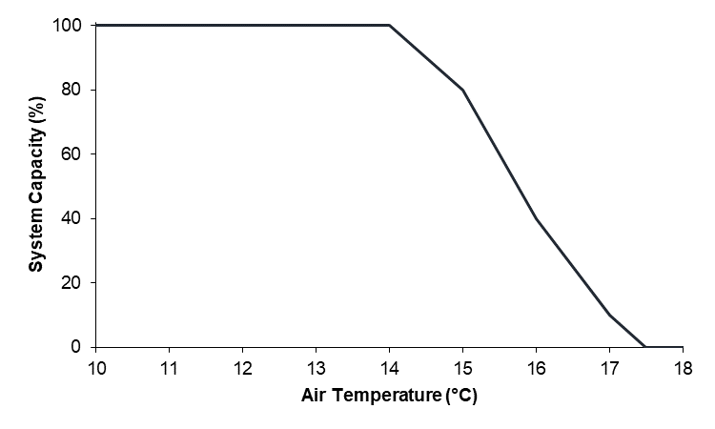
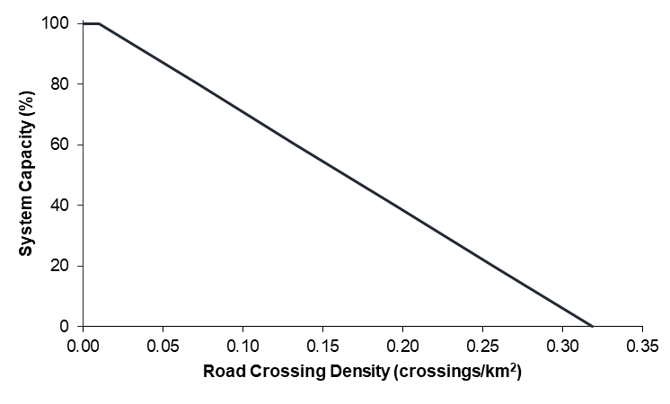
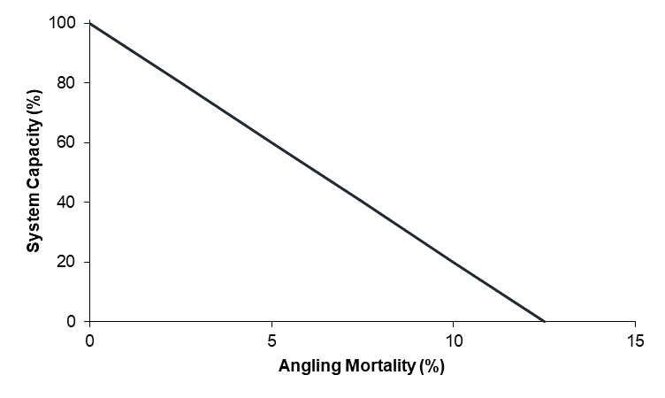
Temperature
Fragmentation
Angling
Stressor-Response
Curves
15ºC
0.20
crossings/km²
5%
84
38
60
X
X
= .19
(or 19% Cumulative System
Capacity out of a maximum of 100%)
100
100
100

 | *Figure adapted from Reilly and Johnston (in prep)

System Capacity | Mean August Air Temperature (C)
100 | 10
100 | 11
100 | 12
100 | 13
100 | 14
80 | 15
40 | 16
10 | 17
0 | 17.5
0 | 18
0 | 19
0 | 20

System Capacity | Road Crossing Density
100 | 0
100 | 0.01
80 | 0.07175
60 | 0.1335
40 | 0.19525
20 | 0.257
0 | 0.31875

0.01 | 100
0.257 | 20

slope | -323.88663968
y-intercept | 103.2388664

system capacity | Angling mort
100 | 0
80 | 2.5075
60 | 5.005
40 | 7.5025
20 | 10
0 | 12.4975

0.01 | 100
10 | 20

slope | -8.008008008
y-intercept | 100.08008008

example stressor response curve
The highest estimated road crossing desnity was 0.257.
we set that to the highest risk category (1 or 20%).
We allow for an initial increase in road crossing density of 0.01 before it starts impacting Risk Status
We draw a straight line between these points and carry it through to an FSI score of 0.

System Capacity | Road Crossing Density
100 | 0
100 | 0.01
80 | 0.07175
60 | 0.1335
40 | 0.19525
20 | 0.257
0 | 0.31875

0.01 | 100
0.257 | 20

slope | -323.88663968
y-intercept | 103.2388664

**note: system capacity from 0-5 doesn't directly translate to predicted FSA!
This is a linear continuous scale, whereas FSA breakpoints are broad risk categories are only comparable with a conversion.

temperature
Modelled Stream Temp | System Capacity | Bin | Frequency | %
0 | 0 | 3 | 0 | 0
1 | 0 | 4 | 0 | 0
2 | 0 | 5 | 0 | 0
3 | 0 | 6 | 59 | 2.3182711198
4 | 0 | 7 | 255 | 10.019646365
5 | 100 | 8 | 267 | 10.491159136
6 | 100 | 9 | 420 | 16.502946955
7 | 100 | 10 | 385 | 15.127701375
8 | 100 | 11 | 407 | 15.992141454
9 | 100 | 12 | 414 | 16.26719057
10 | 100 | 13 | 242 | 9.5088408644
11 | 100 | 14 | 93 | 3.6542239686
12 | 100 | 15 | 3 | 0.11787819253
13 | 75 | 16 | 0 | 0
14 | 50 | 17 | 0 | 0
15 | 25 | 18 | 0 | 0
16 | 0 | 19 | 0 | 0
17 | 0 | 20 | 0 | 0
18 | 0 | More | 0
 |  |  | 2545

nat limits other
Historic Adult System Capacity | System Capacity
0 | 0
20 | 20
40 | 40
60 | 60
80 | 80
100 | 100

Direct Mortality
Annual Mortality in addition to 35% natural | Adult System Capacity
0 | 100 |  | As a guide if no creel info available. This was ranked based on overharvest protection need where
5 | 100
10 | 60 |  | OHPN |  | System Capacity | Angling Mort
15 | 40 |  | 5 | VLR | 100 | 0-5
20 | 20 |  | 4 | LR | 85 | 6.875
25 | 15 |  | 3 | MR | 60 | 10
30 | 10 |  | 2 | HR | 35 | 16.25
35 | 5 |  | 1 | VHR | 10 | 30
40 | 0

 |  | Curve details 10-20% mort |  |  | Curve details 5-10% mort
 |  | 10 | 60 |  | 5 | 100
 |  | 20 | 20 |  | 10 | 60

 |  | slope | -4 |  | slope | -8
 |  | y-intercept | 100 |  | y-intercept | 140

This is the annual fishing mortality, on catchable-size fish (mainly >15cm). The curves is based on modelling, especially Sullivan's Westslope Cutt allowable harm assessment report.
It must include the estimated effect of illegal harvest. It appears that illegal harvest even on closed streams can be significant. The example used is the Tri-Creeks data from lower Wampus, showing a much lower density of large fish near the bridge and camping area, than in Upper Wampus (remote).
Assuming nat mort is 35%, total mort of 35% is low risk, 45% is moderate risk, and 55% is high risk. From the WSCT allowable harm modelling using CuttSim.

small stream frag
0 | 100
0.01 | 100
0.07175 | 80
0.1335 | 60
0.19525 | 40
0.257 | 20
0.31875 | 0
System capacity | Road Crossing Density crossings/km2
100 | 0
100 | 0.01
80 | 0.07175
60 | 0.1335
40 | 0.19525
20 | 0.257
0 | 0.31875

 | *values are from BLTR Joe model
 | but adjusted to be linear between 0.01 and .257

large barrier dams
Density of Large Barrier dams | Dam effect | System Capacity
None | 0 | 100
Very Low | 1 | 80
Low | 2 | 60
Moderate | 3 | 40
High | 4 | 20
Very High | 5 | 0

BKTR
BKTR | System Capacity (%)
0 | 100
20 | 80
40 | 60
60 | 40
80 | 20
100 | 0

NN RNTR
BKTR | System Capacity (%)
0 | 100
20 | 80
0 | 100
20 | 80
40 | 60
60 | 40
80 | 20
100 | 0
40 | 60
60 | 40
80 | 20
100 | 0

Phosphorus
*figures and analysis conducted by A. Paul Jan 13,2020 in R. Noted values for SR curve found in figure caption
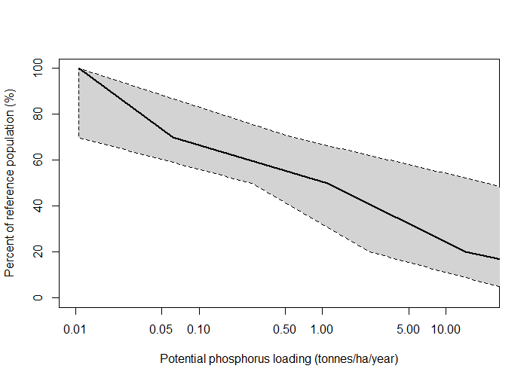

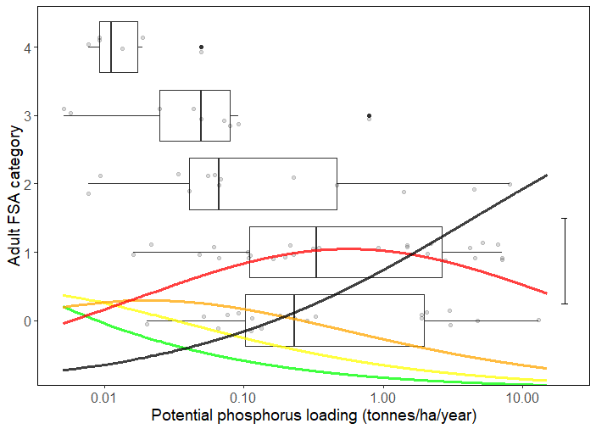

 | Figure X Distribution of bull trout adult FSA categories for 73 HUC 8 Watersheds in Alberta in relation to estimated phosphorus loading in 2010. Grey circles are the actual data points (jittered around the y-axis). Box-and-whisker plots show interquartile range, median, 1.5x interquartile range and outliers. Coloured lines are probabilities estimated from proportional-odds logistic regression of a watershed being in FSA 4 (green), FSA 3 (yellow), FSA 2 (orange), FSA 1 (red) or FSA 0 (black) for a given phosphorus level (vertical segment on right shows 25% probability). The sum of probabilities across all FSA categories for a specified phosphorus loading totals 1. | Figure X Stressor-response curve depicting the expected relationship between potential phosphorus loading (tonnes/ha/year) and the system capacity of Athabasca rainbow trout populations. System capacity (0-100%) is a measure of adult density relative to a maximum capacity of 100%. Black line is the median response for the Bayesian posterior estimate (vertices at 0.01,100; 0.06,70; 1.1,50; 14.2,20; 978,0). Grey region is the 95% Bayesian prediction interval (lower vertices: ≤0.01,100; >0.01,70; 0.27,50; 2.4,20; 61,0; and, upper vertices: 0.01,100; 0.6,70; 22,50; 991,20; 1.4e6,0).

Sediment
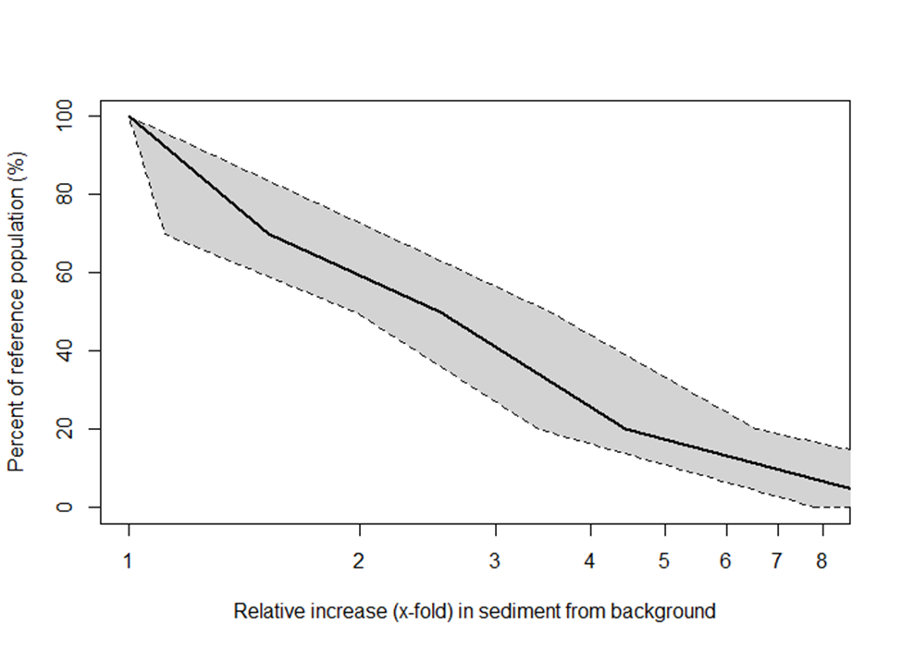
*figures and analysis conducted by A. Paul Jan 13,2020 in R. Noted values for SR curve found in figure caption

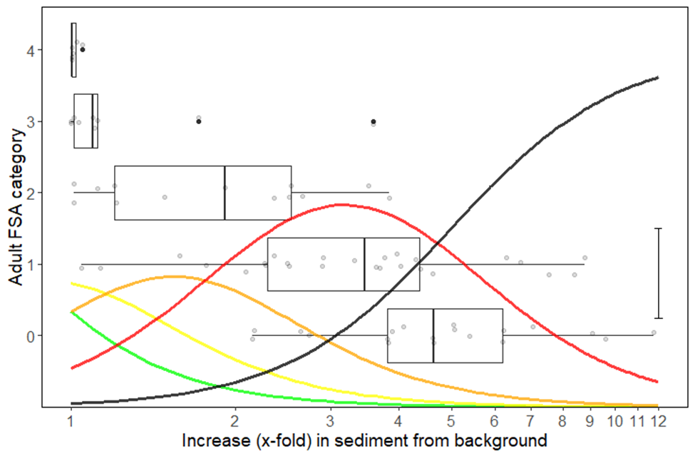

 | Figure X Distribution of bull trout adult FSA categories for 73 HUC 8 watersheds in Alberta in relation to estimated increase in sediment loading from background 1910 conditions. Grey circles are the actual data points (jittered around the y-axis). Box-and-whisker plots show interquartile range, median, 1.5x interquartile range and outliers. Coloured lines are probabilities estimated from proportional-odds logistic regression of a watershed being in FSA 4 (green), FSA 3 (yellow), FSA 2 (orange), FSA 1 (red) or FSA 0 (black) for a given sediment level (vertical line on right shows 25% probability). The sum of probabilities across all FSA categories for a specified sediment level totals 1. | Figure X Stressor-response curve depicting the expected relationship between relative increase in sediment loading from background 1910 conditions and the system capacity of Athabasca rainbow trout populations. System capacity (0-100%) is a measure of adult density relative to a maximum capacity of 100%. Black line is the median response for the Bayesian posterior estimate (vertices at 1.0,100; 1.5,70; 2.5,50; 4.4,20; 10.8,0). Grey region is the 95% Bayesian prediction interval (lower vertices: 1.0,100; 1.1,70; 2.0,50; 3.4,20; 7.8,0; and, upper vertices: 1.0,100; 2.2,70; 3.5,50; 6.6,20; 19.2,0).

surface flow
System Capacity | February Flow (% of Natural Flow)
100 | 100
90 | 90
80 | 80
70 | 70
60 | 60
50 | 50
40 | 40
30 | 30
20 | 20
10 | 10
0 | 0

0 | 0
20 | 1
30 | 1
40 | 1
50 | 1
60 | 1
70 | 1
80 | 1
90 | 1
100 | 1
 |  | 0 | 0
System Capacity | August Flow (% of Natural Flow) | 1 | 20
100 | 100 | 1 | 30
96 | 90 | 1 | 40
90 | 80 | 1 | 50
82 | 70 | 1 | 60
74 | 60 | 1 | 70
64 | 50 | 1 | 80
54 | 40 | 1 | 90
40 | 30 | 1 | 100
28 | 20
13.6 | 10
0 | 0

flow regime
 | 1 | 1 | 1
 | 1 | 1 | 1
 | 0.98 | 0.98 | 0.98
 | 0.95 | 0.95 | 0.95
 | 0.89 | 0.89 | 0.89
 | 0.8 | 0.8 | 0.8
 | 0.75 | 0.75 | 0.75
 | 0.6 | 0.6 | 0.6
 | 0.5 | 0.5 | 0.5
 | 0.4 | 0.4 | 0.4
 | 0.3 | 0.3 | 0.3
 | 0.2 | 0.2 | 0.2
 | 0.1 | 0.1 | 0.1
 | 0 | 0 | 0
 | 0 | 0 | 0
Hydrologic Change Index | Total Footprint Area (%) | System Capacity
1 | 100 |  | NOTE: current graph in Joe has index of hydrologic change scale to 6 but graph in report and here (and BLTR) goes to 1
1 | 90 | 20 | Changed Joe figure to match this one
0.98 | 80 |  | but original values are here:
0.95 | 70 |  | Index of Hydrologic Change | Total Footprint Area %
0.89 | 60 |  | 0 | 0
0.8 | 50 | 60 | 0 | 10
0.75 | 45 |  | 0 | 20
0.6 | 35 | 84 | 1.23 | 30
0.5 | 30.5 | 90 | 2.88 | 40
0.4 | 28 | 92 | 4.08 | 50
0.3 | 26 | 94 | 4.71 | 60
0.2 | 24 | 96 | 5.13 | 70
0.1 | 22 | 98 | 5.61 | 80
0 | 20 | 100 | 5.94 | 90
0 | 0 | 100 | 6 | 100

 | 1 | 1 | 100
 | 1 | 1 | 98
 | 0.98 | 0.98 | 96
 | 0.95 | 0.95 | 94
 | 0.89 | 0.89 | 92
 | 0.8 | 0.8 | 90
 | 0.75 | 0.75 | 84
 | 0.6 | 0.6 | 76
 | 0.5 | 0.5 | 60
 | 0.4 | 0.4 | 40
 | 0.3 | 0.3 | 20
 | 0.2 | 0.2
 | 0.1 | 0.1
 | 0 | 0
 | 0 | 0
Hydrologic Change Index | System Capacity |  | NOTE: current graph in Joe has index of hydrologic change scale to 6 but graph in report and here (and BLTR) goes to 1
0 | 100 |  | Changed Joe figure to match this one
0.1 | 98 |  | but original values are here:
0.2 | 96 |  | Index of Hydrol Change | Adult FSI
0.3 | 94 |  | 0 | 5
0.4 | 92 |  | 0.6 | 5
0.5 | 90 |  | 1.2 | 5
0.6 | 84 |  | 1.8 | 4.95
0.7 | 76 |  | 2.4 | 4.8
0.8 | 60 |  | 3 | 4.475
0.9 | 40 |  | 3.6 | 4.25
1 | 20 |  | 4.2 | 3.775
 |  |  | 4.8 | 3.075
 |  |  | 5.4 | 2.325
 |  |  | 6 | 1.05

selenium
Pilgrim, N.L. 2012. Multigenerational effects of selenium in rainbow trout, brook trout, and cutthroat trout. M.Sc. thesis, University of Lethbridge. Lethbridge, AB. 123 pp.
 |  | *for a complete description of how this curve was derived please see uncertainty write up and supporting curves

System Capacity (%) | Rescaled Sys Cap | egg Se
100.0 | 100.0 | 0
50.8 | 72.5 | 1.17
37.9 | 54.1 | 4.3
16.6 | 23.7 | 13
0.0 | 0.0 | 20
0.0 | 0.0 | 31

whirling disease
Whirling Disease Risk | Risk | System Capacity
0 | None | 100
1 | Very low | 80
2 | low | 60
3 | moderate | 40
4 | high | 20
5 | very high | 0

habitat loss
Habitat Loss % | System Capacity
0 | 100
20 | 80
40 | 60
60 | 40
80 | 20
100 | 0

Results figure FSA vs modelled
Watershed Name | Historical Adult Status | Current Adult Status | Modelled Adult Status
River A | 5 | 2 | 2
River B | 4 | 1 | 2
River C | 3 | 2 | 1
River D | 3 | 2 | 1

